3cohorts
Q3 2021 |  |  |  |  |  |  |  |  |  | Q4 2021 |  |  |  |  |  |  |  |  | Q4 2022
Quarter | # Customers | Total Transactions | Revenue | Profit |  |  |  |  |  | Quarter | # Customers | Total Transactions | Revenue | Profit |  |  |  |  | Quarter | # Customers | Total Transactions | Revenue | Profit
2021Q3 | 2,842 | 3,593 | 18,866,045 | 9,389,215.00 |  |  |  |  |  |  |  |  | 0 | 0 |  |  |  |  |  |  |  | 0 | 0
2021Q4 | 529 | 818 | 4,377,010 | 2,173,325.00 |  |  |  |  |  | 2021Q4 | 6,161 | 7,980 | 50,815,985 | 26,164,050 |  |  |  |  |  |  |  | 0 | 0
2022Q1 | 237 | 325 | 1,908,940 | 942,755.00 |  |  |  |  |  | 2022Q1 | 619 | 939 | 5,396,435 | 2,596,110 |  |  |  |  |  |  |  | 0 | 0
2022Q2 | 318 | 467 | 2,357,300 | 1,154,450.00 |  |  |  |  |  | 2022Q2 | 546 | 855 | 4,014,505 | 1,990,010 |  |  |  |  |  |  |  | 0 | 0
2022Q3 | 317 | 468 | 2,213,530 | 1,063,370.00 |  |  |  |  |  | 2022Q3 | 451 | 696 | 3,515,930 | 1,742,015 |  |  |  |  |  |  |  | 0 | 0
2022Q4 | 366 | 615 | 3,017,685 | 1,435,610.00 |  |  |  |  |  | 2022Q4 | 939 | 1,579 | 8,754,185 | 4,264,700 |  |  |  |  | 2022Q4 | 5,881 | 7,651 | 46,089,890 | 22,577,830
2023Q1 | 234 | 339 | 1,575,365 | 740,795.00 |  |  |  |  |  | 2023Q1 | 418 | 687 | 3,430,020 | 1,596,375 |  |  |  |  | 2023Q1 | 690 | 1,011 | 5,531,845 | 2,540,340
2023Q2 | 254 | 408 | 1,804,770 | 868,560.00 |  |  |  |  |  | 2023Q2 | 442 | 738 | 3,375,460 | 1,614,635 |  |  |  |  | 2023Q2 | 473 | 675 | 3,571,370 | 1,677,170
2023Q3 | 269 | 385 | 1,582,735 | 742,940.00 |  |  |  |  |  | 2023Q3 | 430 | 731 | 3,476,385 | 1,640,210 |  |  |  |  | 2023Q3 | 420 | 601 | 2,838,000 | 1,371,040
2023Q4 | 358 | 625 | 3,222,065 | 1,519,155.00 |  |  |  |  |  | 2023Q4 | 885 | 1,542 | 8,510,590 | 4,095,850 |  |  |  |  | 2023Q4 | 999 | 1,660 | 8,927,160 | 4,306,665
2024Q1 | 220 | 323 | 1,638,945 | 766,755.00 |  |  |  |  |  | 2024Q1 | 381 | 625 | 3,439,535 | 1,651,705 |  |  |  |  | 2024Q1 | 387 | 562 | 3,135,275 | 1,509,805
2024Q2 | 224 | 338 | 1,742,675 | 828,905.00 |  |  |  |  |  | 2024Q2 | 384 | 654 | 3,467,475 | 1,650,495 |  |  |  |  | 2024Q2 | 343 | 522 | 2,546,775 | 1,241,075
2024Q3 | 230 | 349 | 1,446,720 | 692,780.00 |  |  |  |  |  | 2024Q3 | 351 | 561 | 2,413,840 | 1,158,025 |  |  |  |  | 2024Q3 | 356 | 518 | 2,251,975 | 1,074,480
2024Q4 | 311 | 523 | 2,693,735 | 1,293,325.00 |  |  |  |  |  | 2024Q4 | 743 | 1,364 | 7,542,645 | 3,669,875 |  |  |  |  | 2024Q4 | 778 | 1,300 | 7,285,410 | 3,469,510

Quarter | # Customers | Total Transactions | Revenue | Profit | % active | Avg spend/active customer | AOF | AOV |  | Quarter | # Customers | Total Transactions | Revenue | Profit | % active | Avg spend/active customer | AOF | AOV | Quarter | # Customers | Total Transactions | Revenue | Profit | % active | Avg spend/active customer | AOF | AOV
2021Q3 | 2,842 | 3,593 | 18,866,045 | 9,389,215 | 1199% | 6638 | 1.3 | 5251
2021Q4 | 529 | 818 | 4,377,010 | 2,173,325 | 223% | 8274 | 1.5 | 5351 |  | 2021Q4 | 6,161 | 7,980 | 50,815,985 | 26,164,050 | 1128% | 8248 | 1.3 | 6368
2022Q1 | 237 | 325 | 1,908,940 | 942,755 | 100% | 8055 | 1.4 | 5874 |  | 2022Q1 | 619 | 939 | 5,396,435 | 2,596,110 | 113% | 8718 | 1.5 | 5747
2022Q2 | 318 | 467 | 2,357,300 | 1,154,450 | 134% | 7413 | 1.5 | 5048 |  | 2022Q2 | 546 | 855 | 4,014,505 | 1,990,010 | 100% | 7353 | 1.6 | 4695
2022Q3 | 317 | 468 | 2,213,530 | 1,063,370 | 134% | 6983 | 1.5 | 4730 |  | 2022Q3 | 451 | 696 | 3,515,930 | 1,742,015 | 83% | 7796 | 1.5 | 5052
2022Q4 | 366 | 615 | 3,017,685 | 1,435,610 | 154% | 8245 | 1.7 | 4907 |  | 2022Q4 | 939 | 1,579 | 8,754,185 | 4,264,700 | 172% | 9323 | 1.7 | 5544 | 2022Q4 | 5,881 | 7,651 | 46,089,890 | 22,577,830 | 1243% | 7837 | 1.3 | 6024
2023Q1 | 234 | 339 | 1,575,365 | 740,795 | 99% | 6732 | 1.4 | 4647 |  | 2023Q1 | 418 | 687 | 3,430,020 | 1,596,375 | 77% | 8206 | 1.6 | 4993 | 2023Q1 | 690 | 1,011 | 5,531,845 | 2,540,340 | 146% | 8017 | 1.5 | 5472
2023Q2 | 254 | 408 | 1,804,770 | 868,560 | 107% | 7105 | 1.6 | 4423 |  | 2023Q2 | 442 | 738 | 3,375,460 | 1,614,635 | 81% | 7637 | 1.7 | 4574 | 2023Q2 | 473 | 675 | 3,571,370 | 1,677,170 | 100% | 7550 | 1.4 | 5291
2023Q3 | 269 | 385 | 1,582,735 | 742,940 | 114% | 5884 | 1.4 | 4111 |  | 2023Q3 | 430 | 731 | 3,476,385 | 1,640,210 | 79% | 8085 | 1.7 | 4756 | 2023Q3 | 420 | 601 | 2,838,000 | 1,371,040 | 89% | 6757 | 1.4 | 4722
2023Q4 | 358 | 625 | 3,222,065 | 1,519,155 | 151% | 9000 | 1.7 | 5155 |  | 2023Q4 | 885 | 1,542 | 8,510,590 | 4,095,850 | 162% | 9616 | 1.7 | 5519 | 2023Q4 | 999 | 1,660 | 8,927,160 | 4,306,665 | 211% | 8936 | 1.7 | 5378
2024Q1 | 220 | 323 | 1,638,945 | 766,755 | 93% | 7450 | 1.5 | 5074 |  | 2024Q1 | 381 | 625 | 3,439,535 | 1,651,705 | 70% | 9028 | 1.6 | 5503 | 2024Q1 | 387 | 562 | 3,135,275 | 1,509,805 | 82% | 8101 | 1.5 | 5579
2024Q2 | 224 | 338 | 1,742,675 | 828,905 | 95% | 7780 | 1.5 | 5156 |  | 2024Q2 | 384 | 654 | 3,467,475 | 1,650,495 | 70% | 9030 | 1.7 | 5302 | 2024Q2 | 343 | 522 | 2,546,775 | 1,241,075 | 73% | 7425 | 1.5 | 4879
https://docs.google.com/spreadsheets/d/16x8zlfdKSDrt8KCRVrkRtkOdrEvM_DMxIaDW7Ubr9Vc/edit?gid=353029270#gid=353029270 | 230 | 349 | 1,446,720 | 692,780 | 97% | 6290 | 1.5 | 4145 |  | 2024Q3 | 351 | 561 | 2,413,840 | 1,158,025 | 64% | 6877 | 1.6 | 4303 | 2024Q3 | 356 | 518 | 2,251,975 | 1,074,480 | 75% | 6326 | 1.5 | 4347
2024Q4 | 311 | 523 | 2,693,735 | 1,293,325 | 131% | 8662 | 1.7 | 5151 |  | 2024Q4 | 743 | 1,364 | 7,542,645 | 3,669,875 | 136% | 10152 | 1.8 | 5530 | 2024Q4 | 778 | 1,300 | 7,285,410 | 3,469,510 | 164% | 9364 | 1.7 | 5604

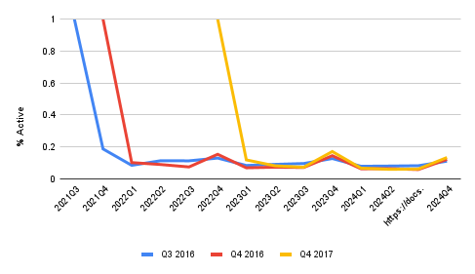
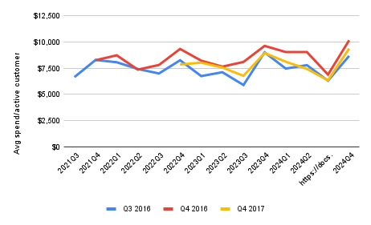
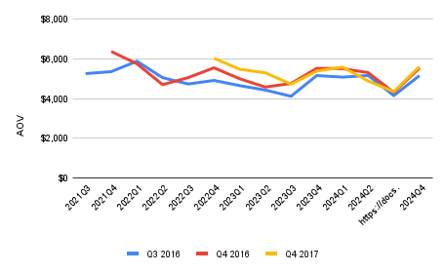

Quarter | Q3 2021 | Q4 2021 | Q4 2022 | Q3 2021 | Q4 2021 | Q4 2022 | Q3 2021 | Q4 2021 | Q4 2022
2021Q3 | 1199% |  |  | 6638 |  |  | 5251
2021Q4 | 223% | 1128% |  | 8274 | 8248 |  | 5351 | 6368
2022Q1 | 100% | 113% |  | 8055 | 8718 |  | 5874 | 5747
2022Q2 | 134% | 100% |  | 7413 | 7353 |  | 5048 | 4695
2022Q3 | 134% | 83% |  | 6983 | 7796 |  | 4730 | 5052
2022Q4 | 154% | 172% | 1243% | 8245 | 9323 | 7837 | 4907 | 5544 | 6024
2023Q1 | 99% | 77% | 146% | 6732 | 8206 | 8017 | 4647 | 4993 | 5472
2023Q2 | 107% | 81% | 100% | 7105 | 7637 | 7550 | 4423 | 4574 | 5291
2023Q3 | 114% | 79% | 89% | 5884 | 8085 | 6757 | 4111 | 4756 | 4722
2023Q4 | 151% | 162% | 211% | 9000 | 9616 | 8936 | 5155 | 5519 | 5378
2024Q1 | 93% | 70% | 82% | 7450 | 9028 | 8101 | 5074 | 5503 | 5579
2024Q2 | 95% | 70% | 73% | 7780 | 9030 | 7425 | 5156 | 5302 | 4879
https://docs.google.com/spreadsheets/d/16x8zlfdKSDrt8KCRVrkRtkOdrEvM_DMxIaDW7Ubr9Vc/edit?gid=353029270#gid=353029270 | 97% | 64% | 75% | 6290 | 6877 | 6326 | 4145 | 4303 | 4347
2024Q4 | 131% | 136% | 164% | 8662 | 10152 | 9364 | 5151 | 5530 | 5604

